EDA
Month | Required Workers | Available Temp Workers | Surplus/Deficit | Positive/Negative | Agency | Beginning Month of Service | Duration of Service | Monthly Salary
1 | 220 | 416 | 196 | (+) | WigglePop Wonders | 6 | 3 | $7,954
2 | 301 | 416 | 115 | (+) | The Jellybean Treasury | 10 | 3 | $7,501
3 | 416 | 416 | 0 | N/A | PopRocks & PixieDust | 4 | 3 | $6,625
4 | 466 | 466 | 0 | N/A | Gumdrops & Giggles | 8 | 2 | $8,146
5 | 408 | 466 | 58 | (+) | Cocoa Quirk | 1 | 3 | $7,101
6 | 301 | 466 | 165 | (+) | Full-Time | 1 | 12 | $6,031
7 | 251 | 416 | 165 | (+)
8 | 316 | 449 | 133 | (+)
9 | 449 | 449 | 0 | N/A
10 | 536 | 539 | 3 | (+)
11 | 501 | 536 | 35 | (+)
12 | 380 | 536 | 156 | (+)

Monthly Foot Traffic Trend

Model
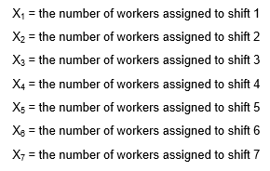
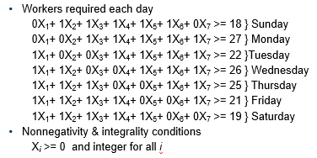
 | Days On = 1, Days Off = 0 |  |  |  |  |  |  |  |  |  |  |  | Workers Scheduled | Wages per Worker
Agency | 1 | 2 | 3 | 4 | 5 | 6 | 7 | 8 | 9 | 10 | 11 | 12
WigglePop Wonders | 0 | 0 | 0 | 0 | 0 | 1 | 1 | 1 | 0 | 0 | 0 | 0 | 0 | $23,862
The Jellybean Treasury | 0 | 0 | 0 | 0 | 0 | 0 | 0 | 0 | 0 | 1 | 1 | 1 | 120 | $22,503
PopRocks & PixieDust | 0 | 0 | 0 | 1 | 1 | 1 | 0 | 0 | 0 | 0 | 0 | 0 | 50 | $19,875
Gumdrops & Giggles | 0 | 0 | 0 | 0 | 0 | 0 | 0 | 1 | 1 | 0 | 0 | 0 | 33 | $16,292
Cocoa Quirk | 1 | 1 | 1 | 0 | 0 | 0 | 0 | 0 | 0 | 0 | 0 | 0 | 0 | $21,303
Full Time | 1 | 1 | 1 | 1 | 1 | 1 | 1 | 1 | 1 | 1 | 1 | 1 | 416 | $72,372
Available | 416 | 416 | 416 | 466 | 466 | 466 | 416 | 449 | 449 | 536 | 536 | 536
Required | 220 | 301 | 416 | 466 | 408 | 301 | 251 | 316 | 449 | 536 | 501 | 380 | Total -> | $34,338,478

